Sheet1
 | Document No. |  |  |  | Issue No. |  | Issue Date |  |  | Review and Replace Date |  |  | Authorised By
 | GFF274MC |  |  |  | 7 |  | 26.05.2021 |  |  | 02.01.2026 |  |  | Magda Shah
 | Document Title |  |  |  | Indian Meal Box for 1 - 650g

Document amendments reason for change | Onion Bhaji changed |  |  |  | Page 1 of 1 |  |  | Previous Issue Date |  |  |  | 20.09.2023 | Uncontrolled copy unless signed original

CINDML1-R2TCC |  |  |  | GAZEBO CUISINE |  |  |  |  | Indian Meal Box for 1 - 650g
STEP 1
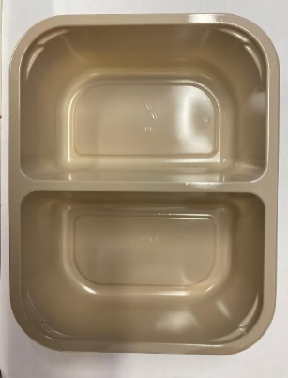 |  | 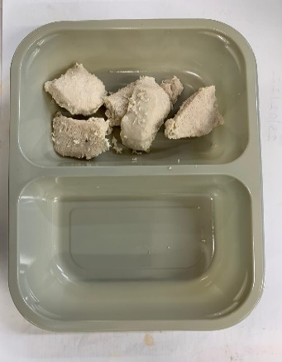 |  |  |  | 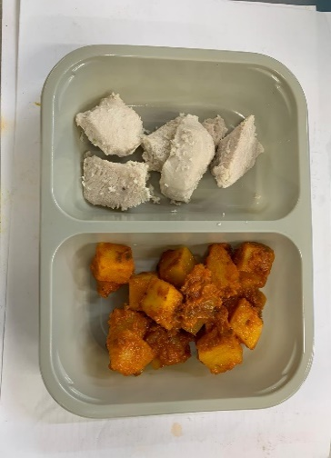 |  |  |  |  | 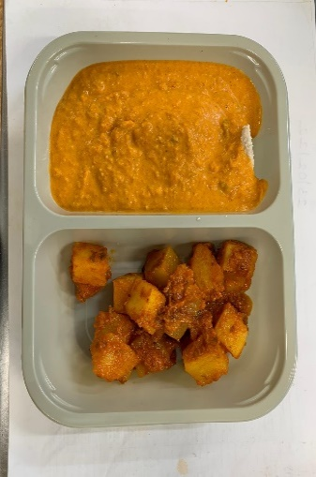

 |  | 20-25mm Cooked Diced Chicken (RMVES001-01): 50g |  |  |  | Bombay Potato (GFF128R): 100g |  |  |  |  | Tikka Masala Sauce (GFF141R): 170g

Tray: CPET ST EV-2B (PKRHP001-11)
Film: K peel 7G+25A/f- 275mm (275 mmX1000)(PKKMP001-03) (for all trays in this QAS)
STEP 2 |  |  |  |  |  |  |  |  | STEP 3
2 ONION BHAJI 60g
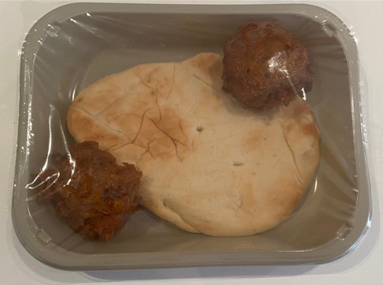
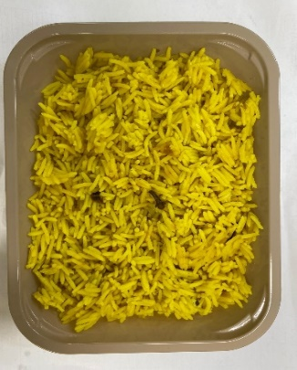
1 MINI NAAN BREAD 70g

Use by for Onion Bhaji & Naan Bread to be applied from NAAN BREAD being taken out of freezer
Indian Onion Bhaji

Pilau Rice (GFF143R): 200g Cook Date + 14 days

 |  |  | 2 x Onion Bhaji -(RMSRI001-02) 30g: 60g |  |  |  |  | 1 Mini Naan Bread (RMSOU0011-03) : 70g |  |  |  |  |  | WEIGHT: 650g
Tray: EVOLVE 2200-1E (PKRHP001-08) |  |  | TRAY: EVOLVE 2200-1D (PKRHP001-09)
ALLERGY ALERT: Milk, Barley, Nuts, Mustard, Wheat

